Bug Report
Bug summary: | The registration form is already filled when the user attempts a new registration
Description: | When the user opens the following link: "https://demoqa.com/" and clicks on the "Elements" category and the "Web Tables" subcategory, the list of the registered users opens up. When the user clicks on the "Edit" icon in the "Action" column in any of the rows listed, a "Registration Form" pop-up with the details of the chosen user is opened. By clicking on the "Submit" button, the changes are saved (if there are any), and the pop-up is closed. When, after that, the user clicks on the "Add" button to add a new "Registration Form", the details of the registration that the user previously edited will be shown in the "Registration Form" pop-up.
Steps to reproduce: | Open Google Chrome browser, version 96.0.4664.93 (Official Build) (64-bit)
 | Go to the following URL "https://demoqa.com/"
 | Click on the "Elements" category shown on the left side in the center of the page.
 | Click on the "Web Tables" subcategory of the "Elements" category.
 | Click on the "Edit" icon in the "Action" column in any of the listed rows.
 | Change any of the details in the opened registration on the "Registration Form" pop-up or leave all the details the same.
 | Click on the "Submit" button.
 | Click on the "Add" button in the left upper side of the page.

Expected result: | The new "Registration Form" pop-up opens with all the blank fields.
Actual result: | The new "Registration Form" pop-up opens filled in with the details of the user that was previously edited.

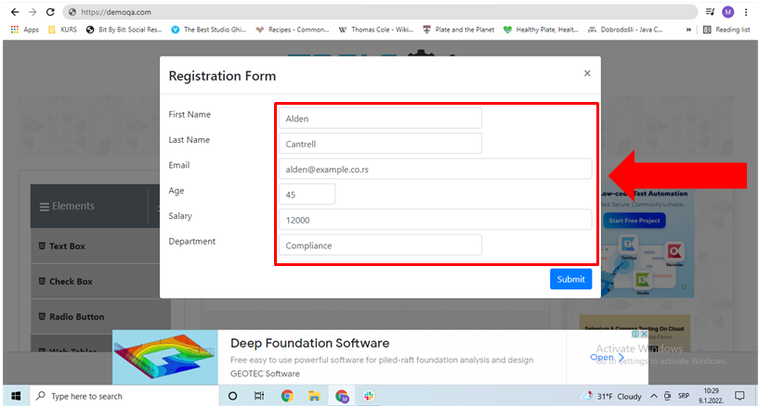
Screenshot:

Severity: | Low
Priority: | Low
Repro rate: | 60%

